Sheet1
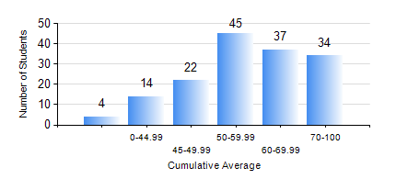
 |  |  | KWAME NKRUMAH UNIVERSITY OF SCIENCE AND TECHNOLOGY, KUMASI Department of Chemical Engineering

 |  |  | BSC. CHEMICAL ENG.

 |  |  | COMPREHENSIVE RECORD OF EXAMINATION RESULTS

 |  |  | RESULTS OF YEAR 1 FIRST SEMESTER, 2024/2025 ACADEMIC YEAR

 | Sn | Course Code |  | Course Name | Credit Hours | Min. Mark | Max. Mark | Avg. Mark | Std. Dev. | No. Passed | No. Trailed | No. (Df) | No. (I) | No. (I*) | No. Tagged(I,I*,Df) | Total
 | 0. |  |  |  |  |  |  | 0 | 0 | 0 | 0 | 0 | 0 | 0 | 0 | 4
 | 1. | CHE 151 |  | INORGANIC CHEMISTRY FOR ENGINEERS | 2 | 16 | 91 | 57 | 16.1 | 140 | 12 | 0 | 0 | 0 | 0 | 152
 | 2. | CHE 153 |  | ORGANIC CHEMISTRY FOR ENGINEERS | 2 | 20 | 93 | 59 | 16.68 | 136 | 16 | 0 | 0 | 0 | 0 | 152
 | 3. | CHEM 169 |  | PRACTICAL CHEMISTRY I | 3 | 20 | 80 | 65 | 8.71 | 151 | 1 | 0 | 0 | 0 | 0 | 152
 | 4. | EE 151 |  | APPLIED ELECTRICITY | 3 | 24 | 100 | 53 | 17.31 | 121 | 31 | 0 | 0 | 0 | 0 | 152
 | 5. | ENGL 157 |  | COMMUNICATION SKILLS I | 2 | 41 | 95 | 73 | 10.35 | 152 | 0 | 0 | 0 | 0 | 0 | 152
 | 6. | MATH 151 |  | ALGEBRA | 4 | 34 | 86 | 56 | 13.73 | 143 | 9 | 0 | 0 | 0 | 0 | 152
 | 7. | ME 159 |  | TECHNICAL DRAWING | 2 | 20 | 89 | 61 | 11.07 | 148 | 4 | 0 | 0 | 0 | 0 | 152

